Head
システム名 1.0
レビューシート

Review
№ | レビュー日 | ステータス | 部分 | エラー タイプ | 箇所 | レビュー内容 | レビュー者 | 対応内容 | 対応日 | 対応者 | 備考
1 | 2021-12-16 | Open | Others | Careless | Tutorial_01 index.php | 1) Please read coding rules and follow. (e.g. Use an indent of 4 spaces for *.php) 2) Careless <title></title> 3) Using internal css in tutorial_01 is OK but prefer to use external css next time. (Not to mix with css code) | PyaePyaeHan | 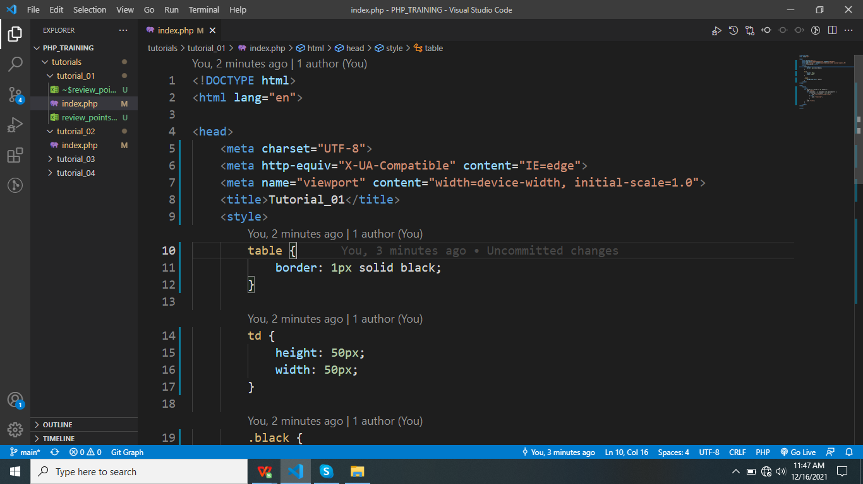 | 12.16.2021 2:32PM | WaiLinOo
2 | 2021-12-16 | Open | Others | Careless | Tutorial_02 index.php | 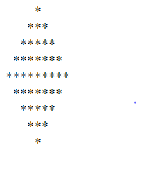 1) Please read coding rules and follow. (e.g. Use an indent of 4 spaces for *.php) 2) Star must be displayed in 1,3,5,7,9,11,9,7,5,3,1 pattern | PyaePyaeHan | Done pattern | 12.16.2021 2:32PM | WaiLinOo
3 | 2021-12-17 | open | Others | Careless | Turorial_03 index.php | 1) Use external css to clear code 2) Use an indent of 4 spaces for *.php | PyaePyaeHan | Done pattern | 12/17/2021 2.05PM | WaiLinOo
4 | 2021-12-17 | Open | Others | Careless | Tutorial_04 index.php | 1) Use an indent of 4 spaces for *.php | PyaePyaeHan | Done pattern | 12/17/2021 2.05PM | WaiLinOo
5 | 2021-12-20 | Open | Others | Unknown | Tutorial_05 index.php | 1) is ok but test with more data in sample files | PyaePyaeHan | Done pattern | 12/20/2021 12:19PM | WaiLinOo

